Main


 |  |  |  |  |  |  |  |  | 1
Nutrition Facts

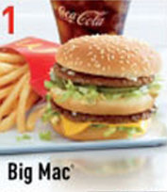
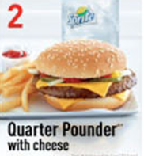
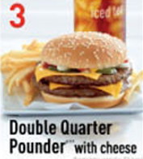
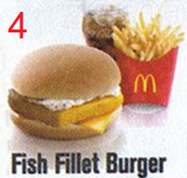
Value Meals
 |  |  |  |  |  |  |  |  |  | Quarter Pounder

 |  |  |  |  |  |  |  |  | Energy |  | 532 | kcal

 |  |  |  |  |  |  | Qty : | 1 | Protein |  | 33 | g

 |  |  |  |  |  |  |  |  | Total Fat |  | 27 | g

Ala Carte |  |  |  |  |  |  |  |  | Saturated Fat |  | 13.8 | g
 |  |  |  |  |  |  | Qty : | 1
 |  |  |  |  |  |  |  |  | Cholesterol |  | 296 | mg

 |  |  |  |  |  |  |  |  | Carbohydrates |  | 38 | g
Side Orders | 6 Pcs | Small |  | Beverages |  | Small
Qty | 9 Pcs | Large | Qty |  |  | Regular |  |  | Dietary Fibres |  | 3 | g
1 |  |  | 1 |  |  | Large | Qty : | 1
 | 1 | 1 |  |  |  | 3 |  |  | Sodium |  | 1060 | mg
 |  |  |  |  | Regular Coke Coke Zero Sprite Ice Lemon Tea
 |  |  |  |  |  |  |  |  |  |  | Mac Donalds Nutrition Facts ,Program by Remy Lim 2017.

